XHP-Tube
 |  |  |  |  |  |  |  |  |  | Price List: XHP21
 |  |  |  |  |  |  |  |  |  | Effective April 15, 2021

 |  |  |  |  |  |  |  |  |  | The issuance of this price list is not an offer to sell the goods listed herein at the prices stated.


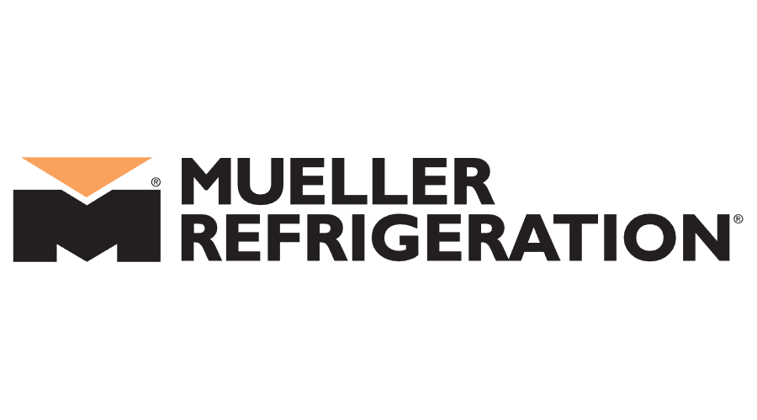
STREAMLINE® Copper-Iron Tube

Copper-Iron Tube |  |  |  |  |  |  |  | Multiplier
Alloy C19400 |  |  |  |  |  |  | XHP 130 Tubing is rated to continuous operating pressure of 130 Bar / 1885 psi | 1
PART # | DESCRIPTION | Wt | OD SIZE | Bndl qty | Unit | UPC | List Price | NET / FT | NET / PC
130X02020 | 3/8OD X20 ACR XHP130 | 0.1121 | 3/8 | 500 | FT | 685768393979 | $5.22 | $5.22 | $104.46
130X03020 | 1/2OD X20 ACR XHP130 | 0.1969 | 1/2 | 500 | FT | 685768393993 | $8.98 | $8.98 | $179.67
130X04020 | 5/8OD X20 ACR XHP130 | 0.3076 | 5/8 | 500 | FT | 685768394013 | $12.68 | $12.68 | $253.55
130X05020 | 3/4OD X20 ACR XHP130 | 0.4427 | 3/4 | 200 | FT | 685768394037 | $18.47 | $18.47 | $369.40
130X06020 | 7/8OD X20 ACR XHP130 | 0.6024 | 7/8 | 200 | FT | 685768394051 | $24.14 | $24.14 | $482.73
130X10020 | 1 1/8OD X20 ACR XHP130 | 0.9967 | 1 1/8 | 100 | FT | 685768394075 | $39.55 | $39.55 | $791.01
130X12020 | 1 3/8OD X20 ACR XHP130 | 1.4883 | 1 3/8 | 100 | FT | 685768394099 | $58.72 | $58.72 | $1,174.43
130X14020 | 1 5/8OD X20 ACR XHP130 | 2.0781 | 1 5/8 | 100 | FT | 685768428664 | $81.61 | $81.61 | $1,632.12
130X20020 | 2 1/8OD X20 ACR XHP130 | 3.5545 | 2 1/8 | 0 | FT | 685768428657 | $147.16 | $147.16 | $2,943.22

